Class UML
TITLE SCREEN
REGISTRATION PAGE
LOGIN FAILURE PAGE
LOGIN SUCCESS PAGE
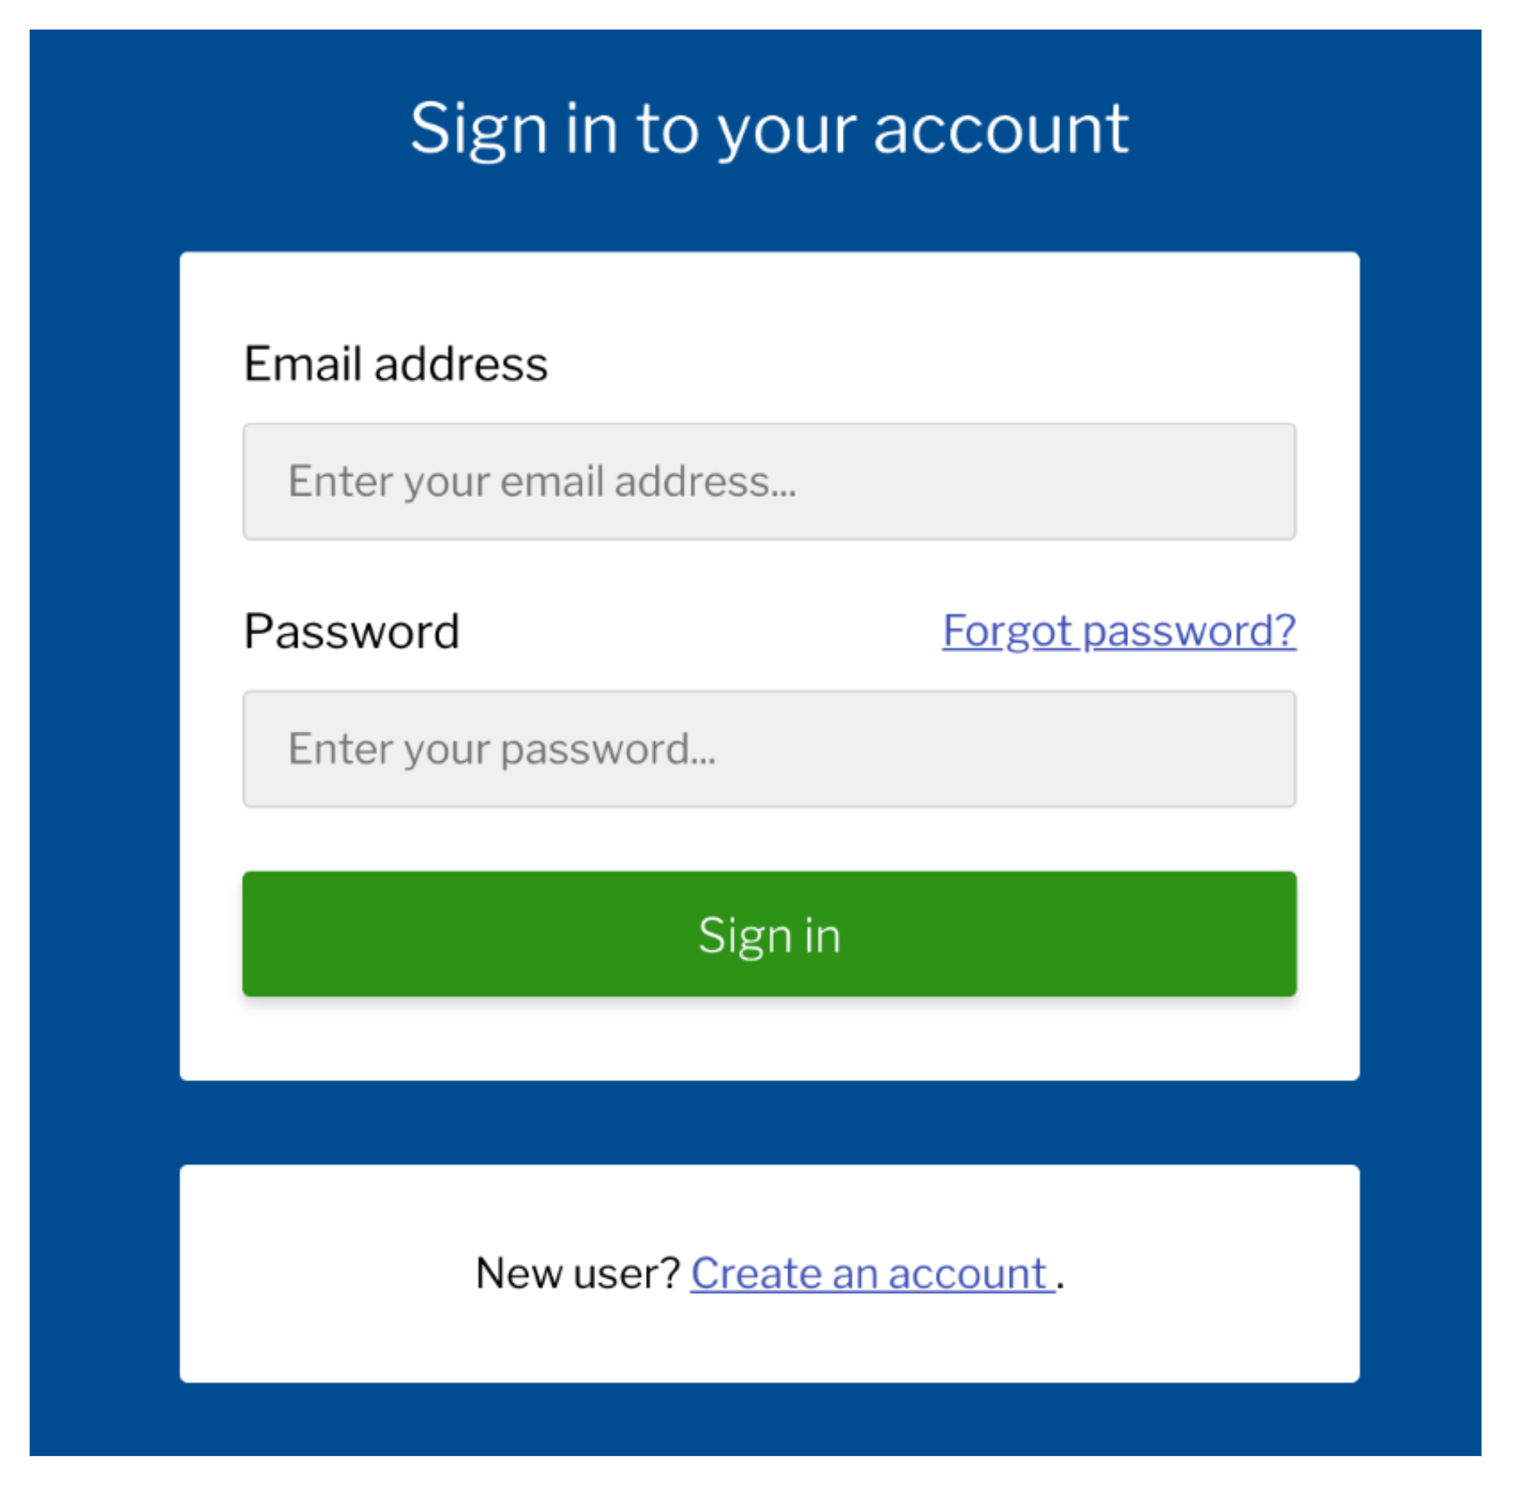
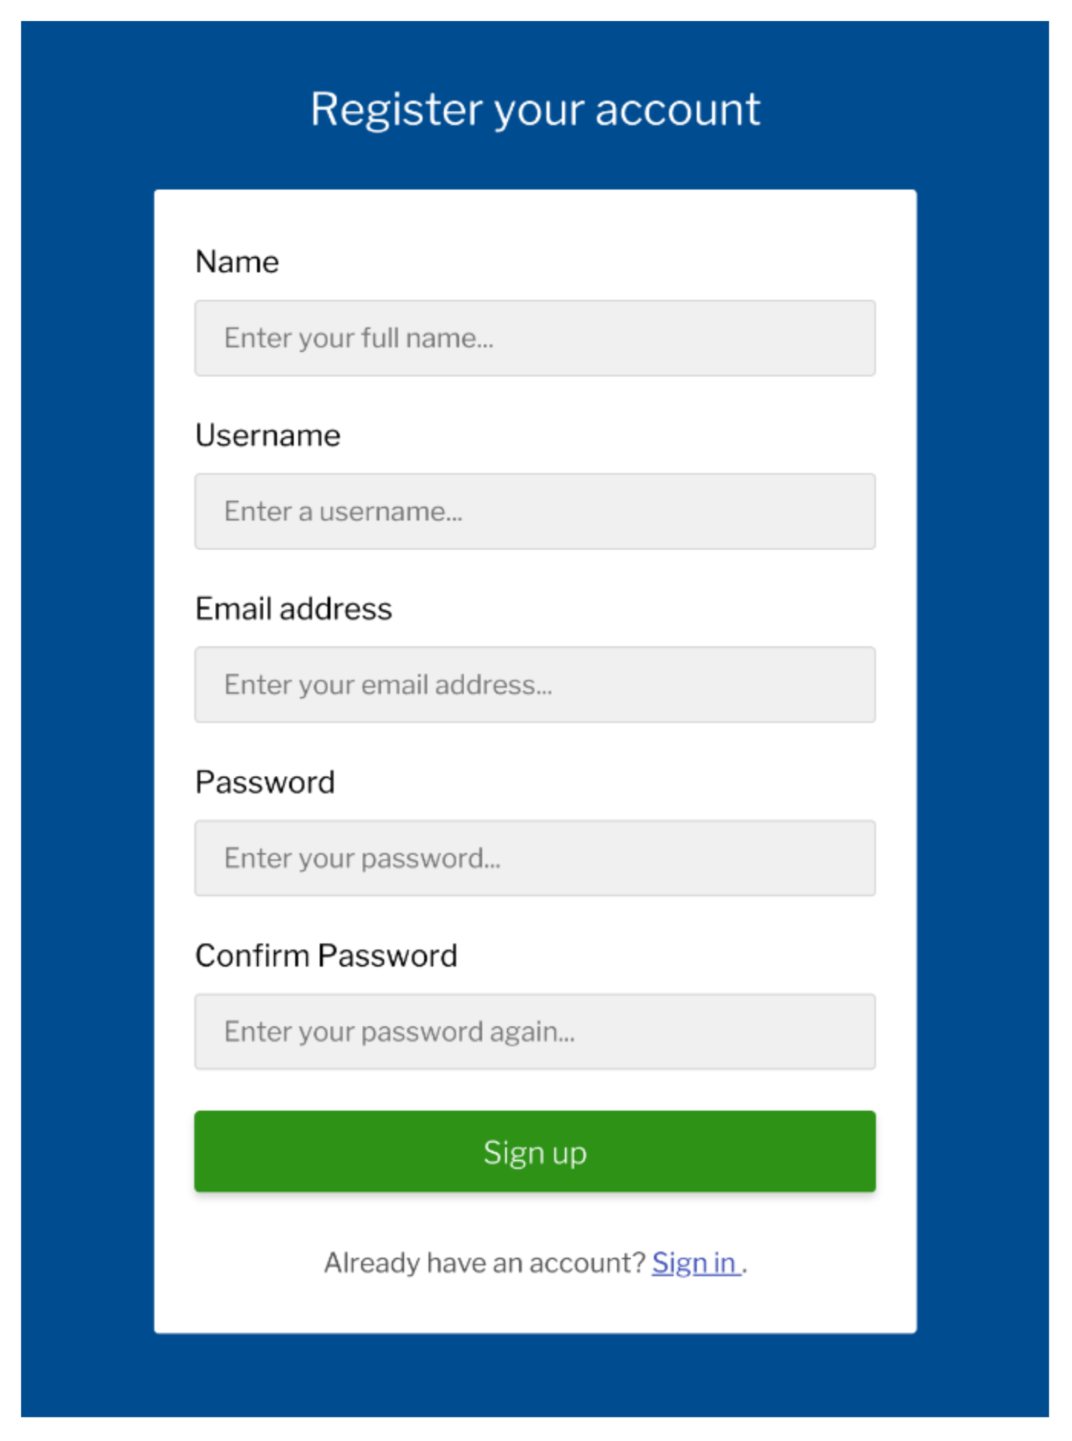
User
- name: String
- email: String
- Password: String
+ Register()
+ Login()

 | Table: Users
 | ID | Name | Email | Password
 | 1 | John Smith | john@example.com | *******
 | 2 | Sarah Schneider | sarah@example.com | *******
 | 3 | Mark Smithers | mark@example.com | *******

Burn Down Chart
BURNDOWN CHART
BURNDOWN CHART
DATE | PLANNED EFFORT | ACTUAL EFFORT
19-JUN | 10.0 | 10.0
20-JUN | 8.0 | 7.5
21-JUN | 6.0 | 6.5
22-JUN | 4.0 | 4.0
23-JUN | 2.0 | 2.5
26-JUL | 0.0 | 0.0

